EVD_OPL 12-01
Test Case ID | OPL12-01 Tax-Withholding settlement audit
Test Case Summary | Withholding Settlement audit

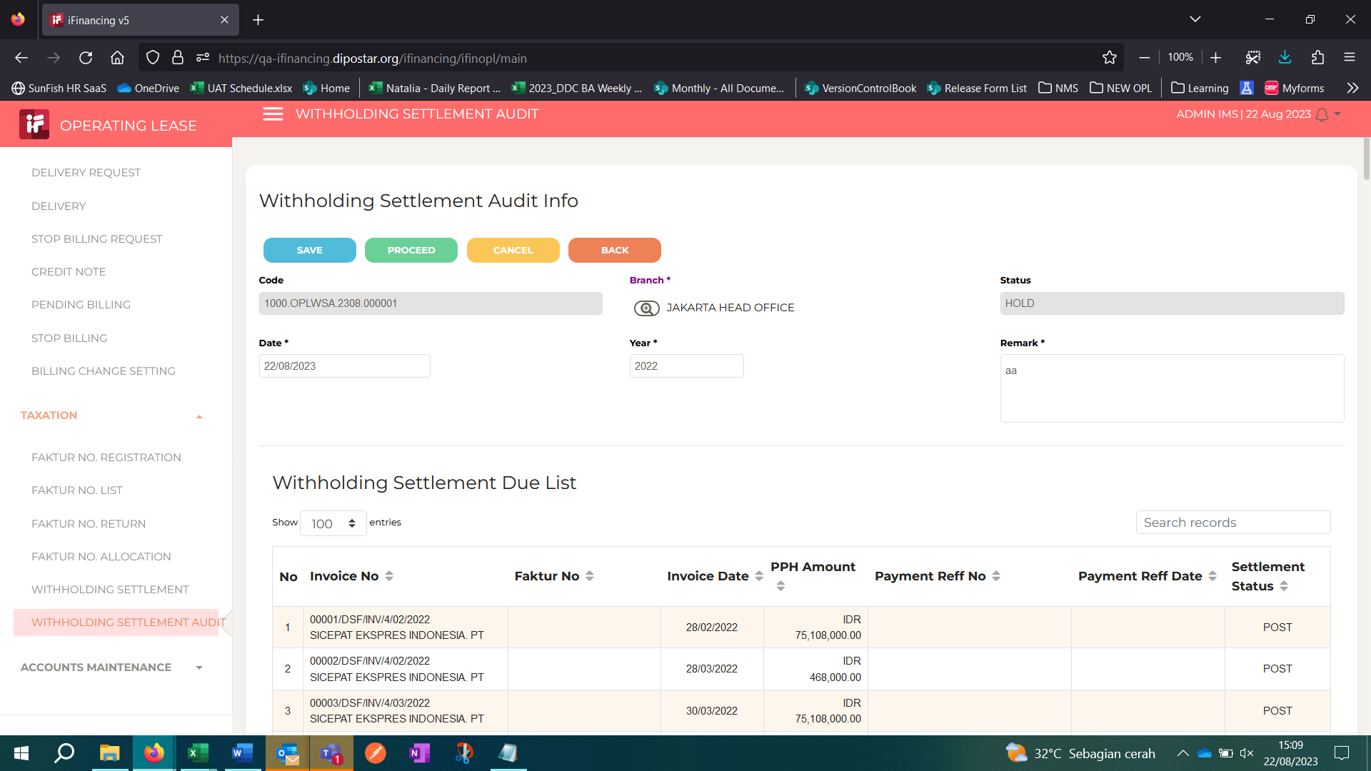
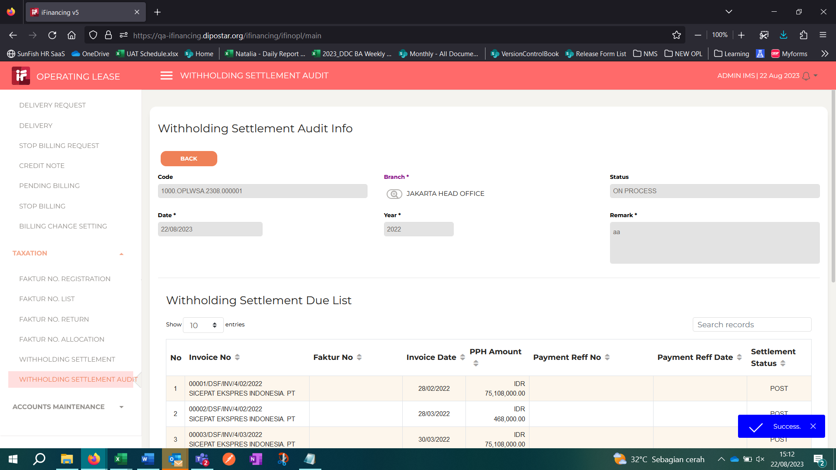
Step # | Test Evidence | Re-Test Evidence (if found Bug/Issue)
1

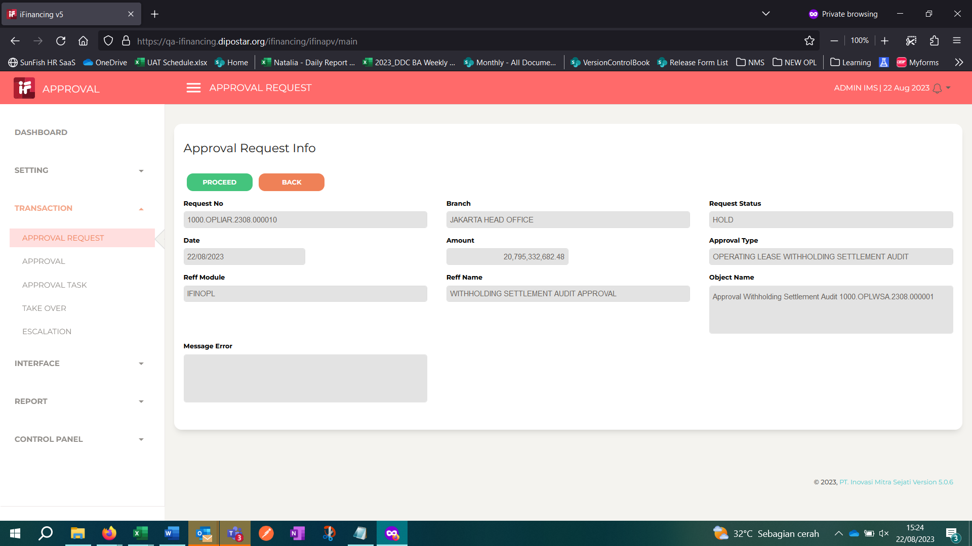
2

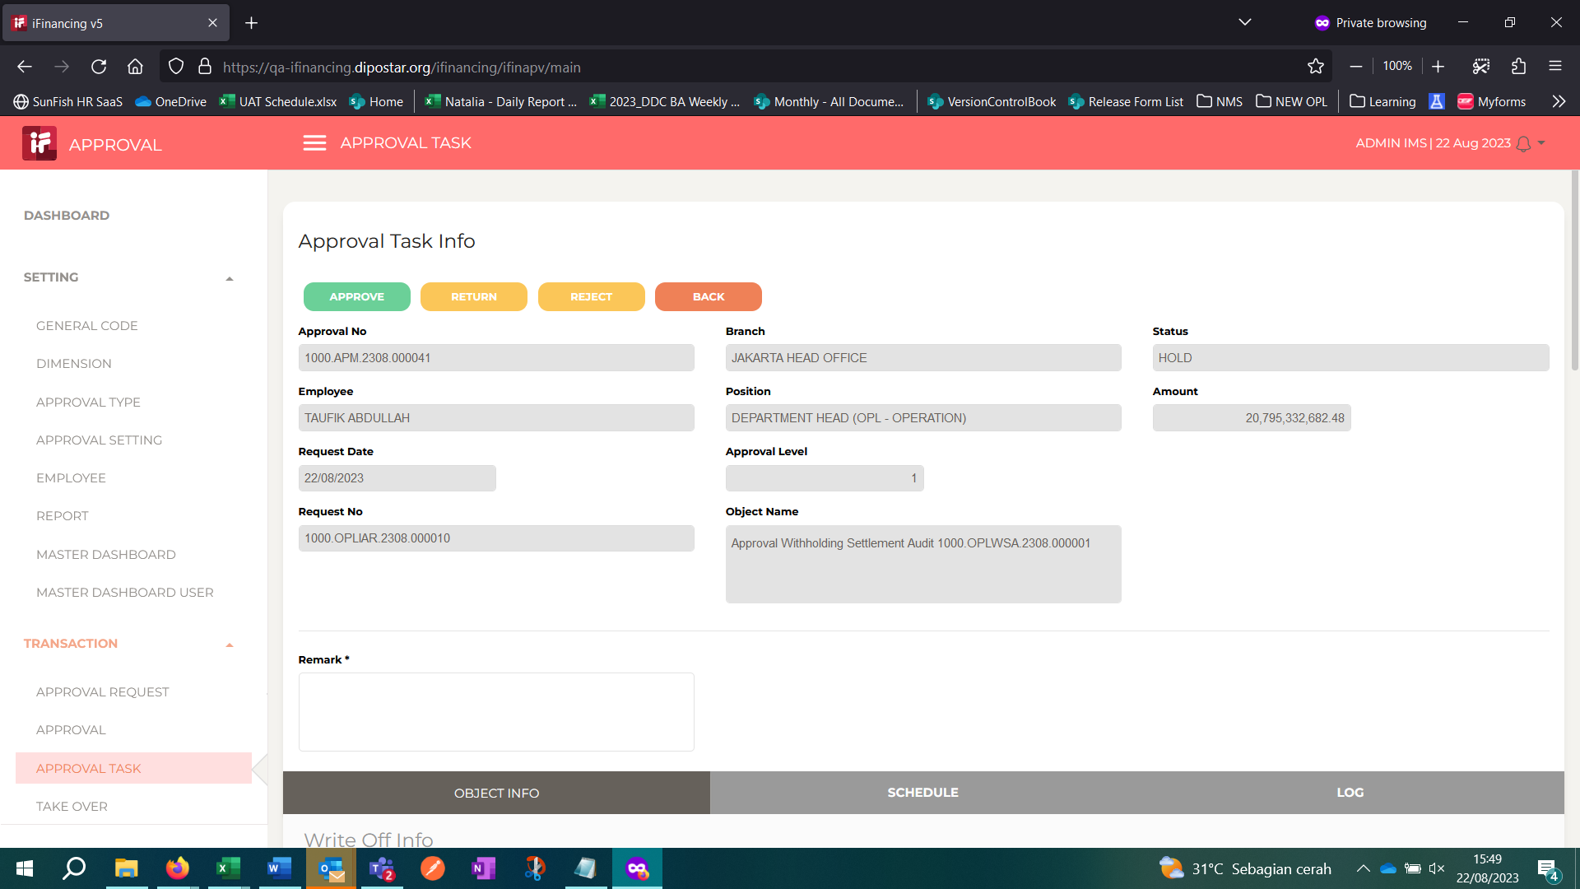
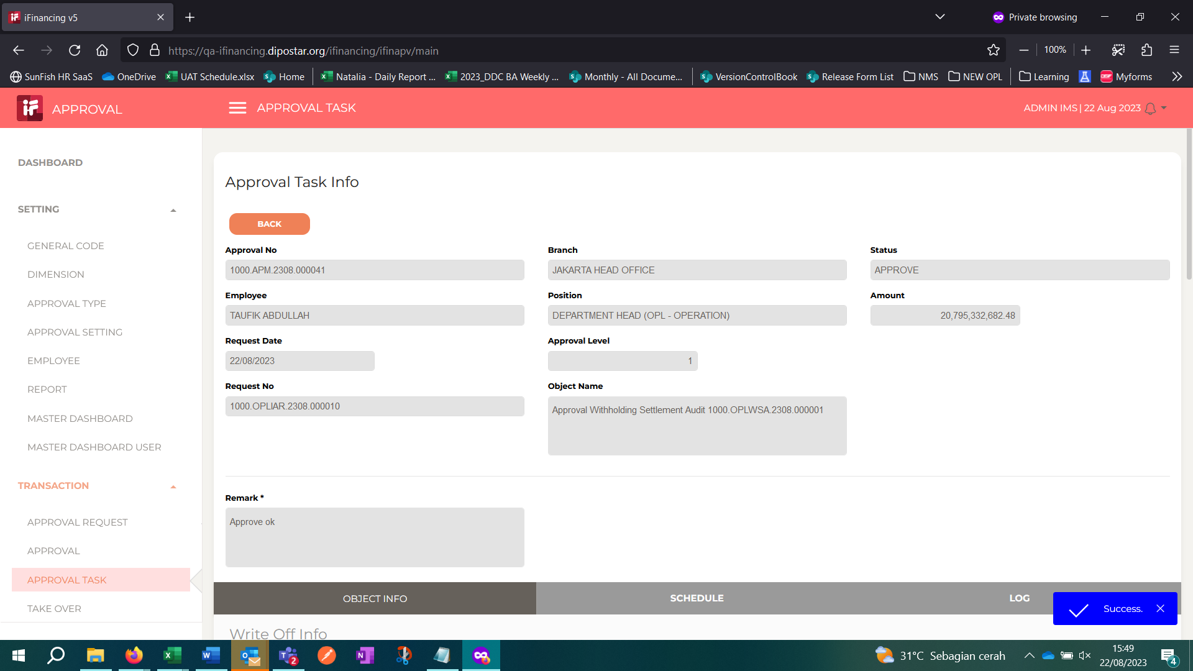
3

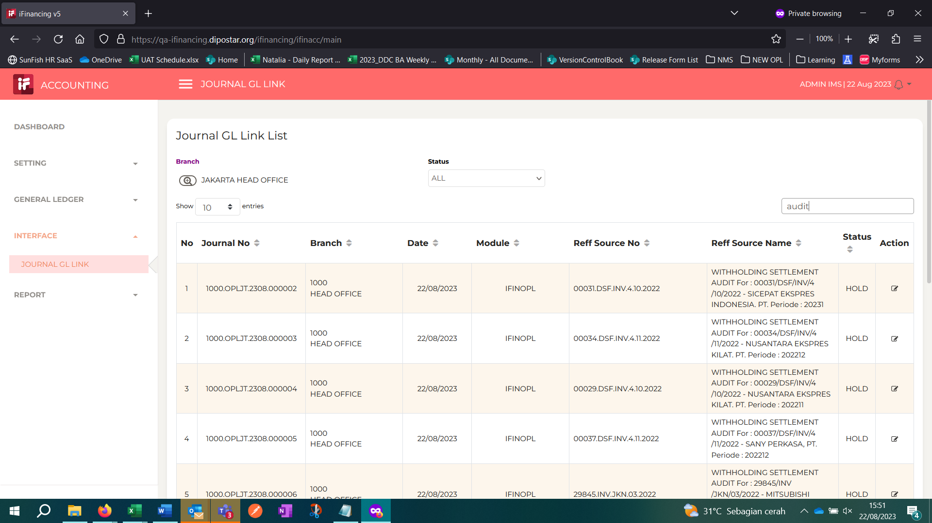
4

5

6

7

8

9

10

11

13

14

15

16

17

18

19

20

21

22

36

37

38

39

41

43

44

45

46

